Sheet1
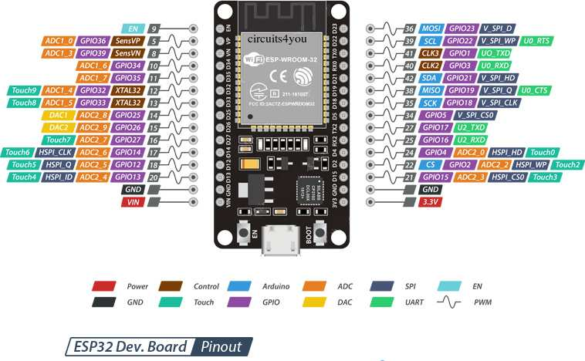
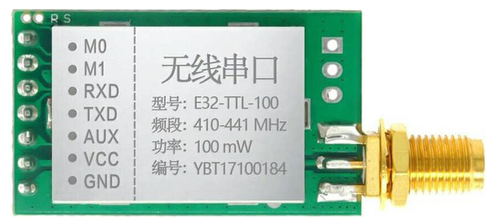
 | PIN MAPPING COW RECEIVER
 | NO | DEVICE | PIN DEVICE | PIN ESP32
v | 1 | LORA | M0 | GND
 | 2 |  | M1 | GND
 | 3 |  | RX | RX2
 | 4 |  | TX | TX2
 | 5 |  | VCC | 5V
 | 6 |  | GND | GND
 | 7 | LED OUTPUT | GND | GND
v | 8 |  | OUT | D27
v | 9 | SWITCH | POWER ON/OFF | -

